invoice


PROFORMA INVOICE
 |  |  | Invoice No: | 854501
 |  |  | Date: | 2022.11.18

Customer:
Name:
Address:

DESCRIPTION |  | Quantity (Ton) | Ton Price (USD) | Total (USD)
Hot Rolled Steel Sheet Plate Thickness: as request Material: 201/304/304L/321/316/ 316L/309/309S/310S/904L Width: 500-1500mm or customize Application: industry |  | 1500 | 2,009.00 | 3,013,500.00
Stainless Steel Pipe Model Number: Stainless steel pipe Material: Stianless Steel Type: Welded Application:Petroleum/smelting/ foodstuff/power/papermaking |  | 1250 | 1,857.00 | 2,321,250.00
 |  | DISCOUNT(USD) |  | -3,500.00
TOTAL EX WORKS AMOUNT (USD) |  |  |  | 5,331,250.00

 | 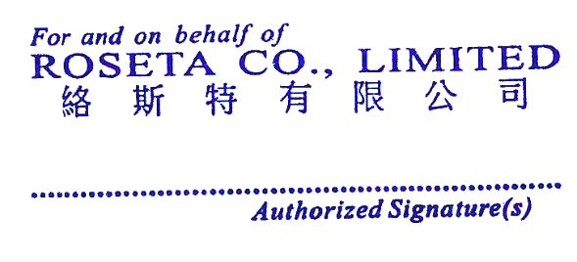
BANK INFORMATION:
Benef. Name: | ROSETA CO LIMITED
Benef. Address: | ROOM 1201 12F TAI SANG BANK BUILDING ‎‎130-132 DES VOEUX ROAD CENTRAL HONGKONG‎
Name of Bank: | CHINA GUANGFA BANK CGB
SWIFT Code: | GDBKCN22YWB
Account No: | NRA9550880236884500127

